Master Schedule
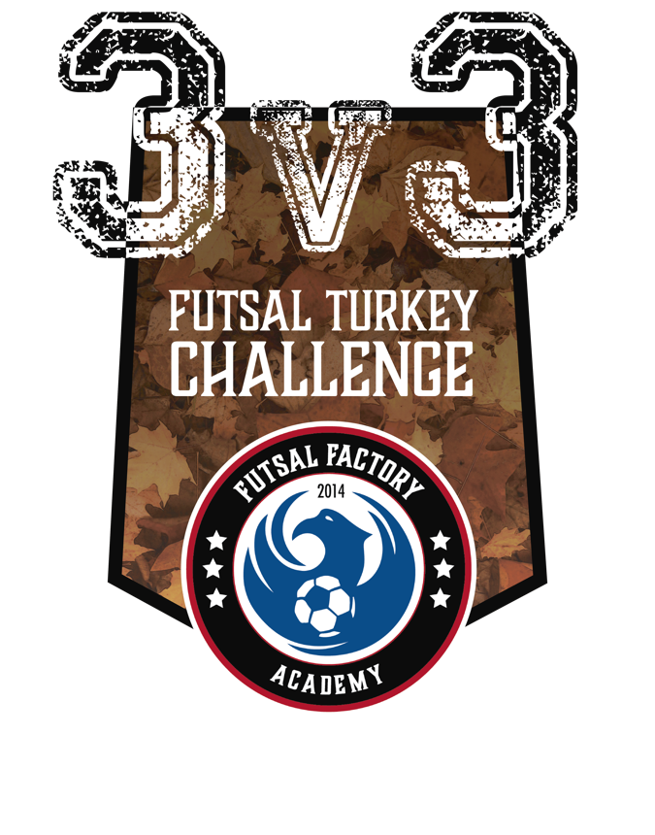
Saturday, Nov 17th - Libertyville Sports Complex
Soccer Equipment Drive: Please bring any soccer equipment (shin guards, GK gloves, futsal, indoor, outdoor cleats) to be donated to Visão de Jogo, a social project in Rio de Janeiro, Brazil.
MASTER SCHEDULE
START | END | Game # | Court 3 (YELLOW) |  | Game # | Court 4 (MAROON)
800 | 830 | 3.1 | United Titan's | JAJA Futsal | 4.1 | FCLC 1 | The Megs
830 | 900 | 3.2 | BG United | Windy City Futsal 08B | 4.2 | FCu11Boys | Liberty FC
900 | 930 | 3.3 | Croatian Eagles RED | Croatian Eagles RED 2 | 4.3 | JAJA Futsal | The Megs
930 | 1000 | 3.4 | United Titan's | FCLC 1 | 4.4 | Windy City Futsal 08B | Liberty FC
1000 | 1030 | 3.5 | PROS FC | Tsunami 05G | 4.5 | BG United | FCu11Boys
1030 | 1100 | 3.6 | Croatian Eagles RED 2 | Tsunami 05G | 4.6 | U10 Boys Orange | FCLC 1
1100 | 1130 | 3.7 | The Megs | United Titan's | 4.7 | Croatian Eagles RED | PROS FC
1130 | 1200 | 3.8 | Croatian Eagles RED 2 | PROS FC | 4.8 | BG United | Liberty FC
1200 | 1230 | 3.9 | Windy City Futsal 08B | FCu11Boys | 4.9 | Croatian Eagles RED | Tsunami 05G
1230 | 100 | break |  |  | 4.10 FINAL | 09 Gold 1st | 09 Gold 2nd
100 | 130 | 3.10 - FINAL | 08/07 Silver 1st | 08/07 Silver 2nd | 4.11 - FINAL | 06 Gold 1st | 06 Gold 2nd
130 | 200 | 3.11 | Cougars | Windy City HS Boys
200 | 230 | 3.12 | Spartan United | Windy City HS Boys
230 | 300 | 3.13 | Spartan United | Windy City HS Boys
300 | 330 | 3.14 - SEMI | HS Boys 2nd | HB Boys 1st
330 | 400 | 3.15 | HS Boys FINAL | HS Boys FINAL
START | END | Game # | Court 1 (BEIGE) |  | Game # | Court 2 (RED)
800 | 830 | 1.1 | Windy City Futsal 10/09 | FC Getsalotta Goals | 2.1 | Blue Fire Shockwave 08 | Wolverinas
830 | 900 | 1.2 | FCOG | Blue Fire Fusion 08 | 2.2 | Fireball Soccer Girls | HWE U10G
900 | 930 | 1.3 | FC Getsalotta Goals | FCLC 2 | 2.3 | FC GirlPower | Wolverinas
930 | 1000 | 1.4 | FCOG | FCU12G | 2.4 | Fireball Soccer Girls | FCu10girls
1000 | 1030 | 1.5 | Windy City Futsal 10/09 | FCLC 2 | 2.5 | Blue Fire Shockwave 08 | FC GirlPower
1030 | 1100 | 1.6 | Blue Fire Fusion 08 | FCU12G | 2.6 | FCu10girls | HWE U10G
1100 | 1130 | 1.7 - Semi 1 | 09 Silver Boys 1st | 09 Silver Girls 2nd | 2.7 - Semi 2 | 09 Silver Girls 1st | 09 Silver Boys 2nd
1130 | 1200 | 1.8 - Semi 1 | 08/07 Gold A First | 08/07 Gold B 2nd | 2.8 - Semi 1 | 08/07 Gold B 1st | 08/07 Gold A 2nd
1200 | 1230 | 1..9 | 09 Silver Boys 3rd | 09 Silver Girls 3rd | 2.9 | 08/07 Gold A 3rd | 08/07 Gold B 3rd
1230 | 100 | 1. 10 -FINAL | 09 Silver Winner Semi 1 | 09 Silver Winner Semi 2 | 2.10 - FINAL | 08/07 Gold Winner Semi 1 | 08/07 Gold Winner Semi 1
100 | 130 | 1.11 | Windy City Futsal 06G | Broncos FC | 2.11 | FC07 Boys | Croatian Eagles Hajduk
130 | 200 | 1.12 | MMMR | Croatiian Eagles 2005 | 2.12 | FC Wolves | Bluejayz FC
200 | 230 | 1.13 | Croatian Eagles Dinamo | Broncos FC | 2.13 | Liberty Force | Croatian Eagles Hajduk
230 | 300 | 1.14 | MMMR | Windy City Futsal | 2.14 | FC Wolves | The Flu Shots
300 | 330 | 1.15 | Windy City Futsal 06G | Croatian Eagles Dinamo | 2.15 | Liberty Force | FC07 Boys
330 | 400 | 1.16 | Windy City Futsal | Croatiian Eagles 2005 | 2.16 | The Flu Shots | Bluejayz FC
400 | 430 | 1.17 - Semi 1 | 08/07 Gold A 1st | 08/07 Gold B 2nd | 2.17 - Semi 2 | 08/07 Gold B 1st | 08/07 Gold A 2nd
430 | 500 | 1.18 -Semi 1 | 05/04 Gold A 1st | 05/04 Gold B 2nd | 2.18 - Semi 2 | 05/04 Gold B 1st | 05/04 Gold A 2nd
500 | 530 | 1.19 | 08/07 Gold A 3rd | 08/07 Gold B 3rd | 2.19 | 05/04 Gold A 3rd | 05/04 Gold B 3rd
530 | 600 | 1.20 FINAL | 05/04 Gold Winner semi 1 | 05/04 Gold Winner semi 2 | 2.20 - FINAL | 08/07 Winner semi 1 | 08/07 Gold Winner semi 2

